P(1-8)
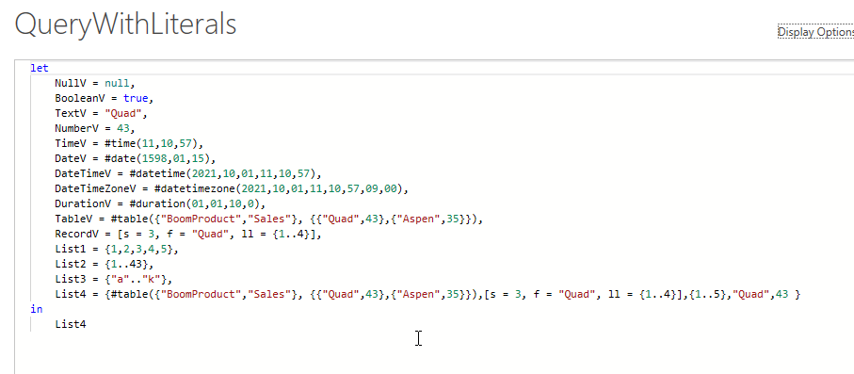
Date | Region | Sales | SalesRep | Product |  |  |  | Project 2: Practice Writing M Code:
2020-05-18 | SouthWest | 464.432 | Chantel | FlyFast |  |  | 1 | Create a blank query and create literals for these Power Query Values: Null, Logical, Text, Number, Time, Date, DateTime, DateTime, Zone, Duration, Table, Record, List
2020-06-27 | SouthWest | 352.003 | Shayla | Carlota |  |  | 2 | Import Sales table on left into Power Query.
2020-06-30 | East | 453.922 | Ahmed | FlyFast |  |  | 3 | In the Sales table: 1) As a new query step add an Index Column that starts at 1 (Add Column Tab in Power Query Ribbon). 2) As a new query step check to see if there is a Primary Key in the table. 3) As a new query step, pull the table that was delivered in the step before (checking if there was a Primary Key) down to a new step. 4) As a new query step add a Primary Key.
2020-08-17 | East | 302.593 | Shayla | Yanaki |  |  | 4 | 1) Check to see if Drill Down on the Sales Table does Key Match Lookup, then, 2) as a new query step, pull the table that was delivered in the step before Drill Down down to a new step.
2020-08-22 | East | 393.039 | Shayla | Carlota |  |  | 5 | In the Sales table, sort the date field, then group by the Region field so that you can sum and average the sales field based on consecutive occurrences in the Region field.
2020-09-24 | SouthWest | 407.913 | Chantel | Quad |  |  | 6 | As a new Step, sum the sales from the Sales field from the previous step (this should give you a single sum).
2020-10-20 | West | 424.324 | Chantel | Quad |  |  | 7 | As a new Step, average the sales from the Sales field from the table create in the above homework step #6 (this should give you a single average).
2020-11-20 | NorthWest | 467.306 | Ahmed | Yanaki
2020-12-10 | NorthWest | 761.005 | Shayla | SpitFire
2021-01-15 | NorthWest | 473.771 | Shayla | Yanaki |  |  | 8 | Using the two table below (fSalesNumEight and disDiscountNumEight), import the two tables and in the Sales table, create a new field that does approximate match lookup to lookup a discount rate based on sales amounts.
2021-01-15 | East | 316.73 | Sioux | Sunshine
2021-02-01 | South | 345.916 | Shayla | Carlota |  |  |  | ** Picture of Potential M Code Solution is to right =>
2021-02-04 | South | 161.851 | Shayla | FlyFast
2021-02-08 | South | 491.44 | Sioux | Quad
2021-02-22 | East | 412.46 | Sioux | Carlota
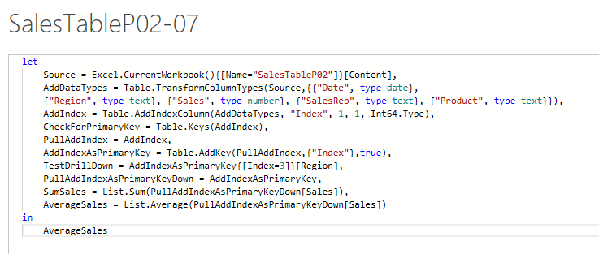
2021-11-25 | West | 321.895 | Shayla | SpitFire
2021-11-25 | West | 127.241 | Shayla | Quad

 |  | Sales | SalesRep | Product | Sales | Discount
 |  | 464.432 | Chantel | FlyFast | 0 | 0
 |  | 352.003 | Shayla | Carlota | 100 | 0.01
 |  | 453.922 | Ahmed | FlyFast | 250 | 0.035
 |  | 302.593 | Shayla | Yanaki | 475 | 0.03
 |  | 393.039 | Shayla | Carlota | 750 | 0.0475
 |  | 407.913 | Chantel | Quad | 1000 | 0.0775
 |  | 424.324 | Chantel | Quad
 |  | 467.306 | Ahmed | Yanaki
 |  | 761.005 | Shayla | SpitFire
 |  | 473.771 | Shayla | Yanaki
 |  | 316.73 | Sioux | Sunshine
 |  | 345.916 | Shayla | Carlota
 |  | 161.851 | Shayla | FlyFast
 |  | 491.44 | Sioux | Quad
 |  | 412.46 | Sioux | Carlota
 |  | 367.31 | Ahmed | Quad
 |  | 390.618 | Ahmed | Yanaki
 |  | 145.929 | Sioux | Quad
 |  | 470.674 | Shayla | Quad
 |  | 154.549 | Chantel | Quad
 |  | 465.011 | Gigi | FlyFast
 |  | 497.488 | Chantel | Quad
 |  | 379.218 | Ahmed | Yanaki
 |  | 159.275 | Chantel | FlyFast
 |  | 446.135 | Sioux | Quad
 |  | 228.229 | Ahmed | Quad
 |  | 1413.342 | Chantel | Sunshine
 |  | 321.895 | Shayla | SpitFire
 |  | 127.241 | Shayla | Quad

