P(4)
1 | In the folder named "Project01SourceFiles", there are three city Excel files as shown to the right: | Excel Files: | Dashboards:
2 | To the right is a picture of the Excel file with Worksheet Tables with SalesRep Names:
3 | Use Power Query to Import and Combine all SalesRep Worksheets into one table.
4 | Import the Product Lookup Table (also in the folder named "Project01SourceFiles") into Power Query Editor.
5 | In the Power Query Editor, Merge to lookup the Product COGS-Cost-Equivalent
6 | In the Power Query Editor, add a column that calculates COGS. The formula is: Sales*COGS-Cost-Equivalent. | Example of 1 Excel File with an Excel Table on T-Cisco Worksheet:
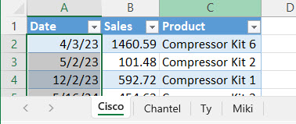
7 | Round the COGS amount to penny. The formula looks like: Number.Round([Sales]*[COGS-Cost-Equivalent],2)
8 | Load the resulting table to a new worksheet. Table result is shown to right:
9 | Create a Worksheet Dashboard on a new Worksheet. Results shown below:
10 | Open & save a new Power BI Desktop file with the name "YourNameBI348Project01.pbix"
11 | Create a Power BI report as shown below.
12 | Then using your Highline Credentials, upload your report to the Power BI Online workspace "BI348-Spring-2023". Results shown below:
13 | Later add the new Excel file named Richland.xlsx to the folder and update all dashboards.

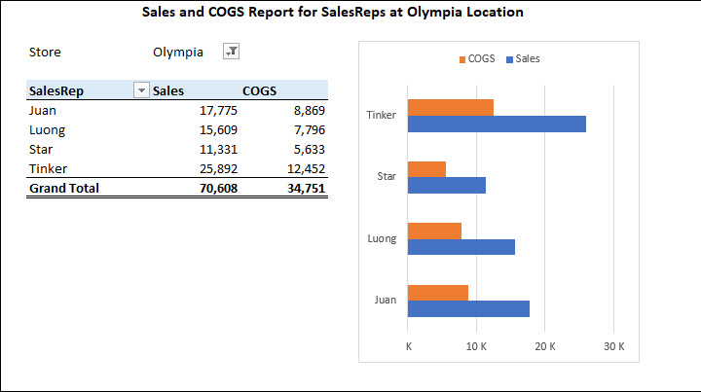
 | Pivot:

 |  | Example of Product Lookup Table:
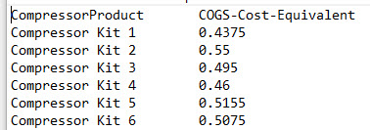

 |  | Table:
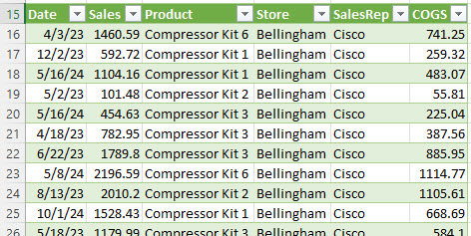

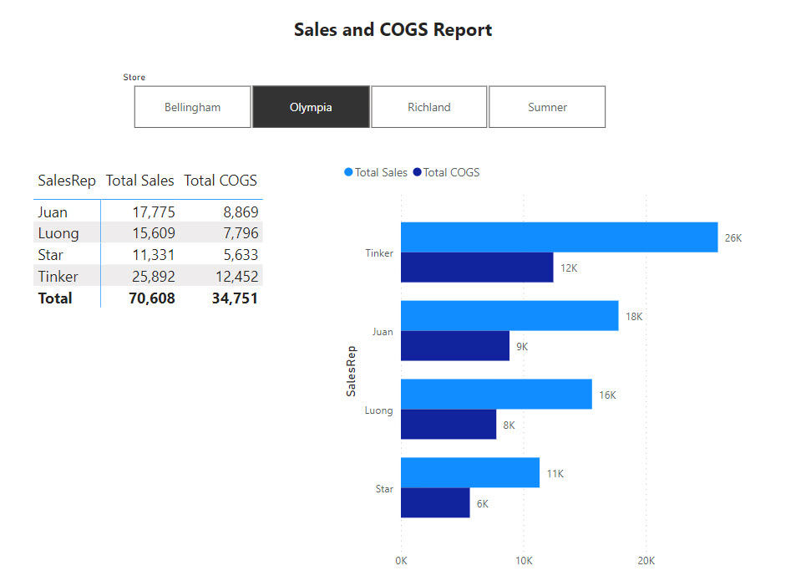
 | Power BI:

