C F
FILTER Array Function example:

Example #1: | Our company only extends credit to customers who have:
OR Logical Test is: | Last Year Sales > 1,000,000 OR Credit Rating >=4.
Goal: | Show a list of customers who meet criteria.

Last Year Sales > | 1,000,000
Credit Rating >= | 4 |  |  | Solution:

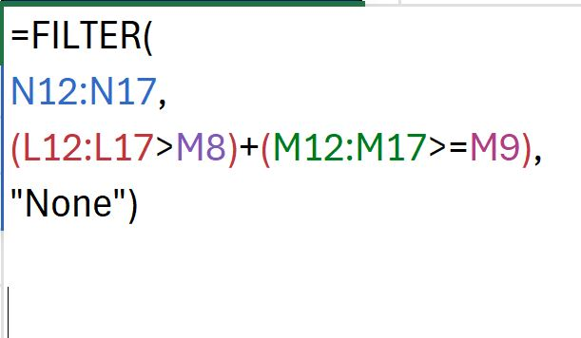
Last Year Sales | Credit Rating | Customer |  | Customer
1,250,000 | 3.6 | Doggie Dinner | Doggie Dinner | Doggie Dinner
955,500 | 3.7 | Java Jambolana | Best BMX Bikes | Best BMX Bikes
1,000,000 | 4 | Best BMX Bikes | Truly Terrific Flying | Truly Terrific Flying
2,100,500 | 2 | Truly Terrific Flying | Yummy Ice Cream | Yummy Ice Cream
550,750 | 1.6 | Knuckles Plumbing
2,500,000 | 2.9 | Yummy Ice Cream

 |  |  |  | F12: =FILTER( D12:D17, (B12:B17>C8)+(C12:C17>=C9), "None")

EB(10-2)
The New Revolution in
Excel Data Analysis
 | 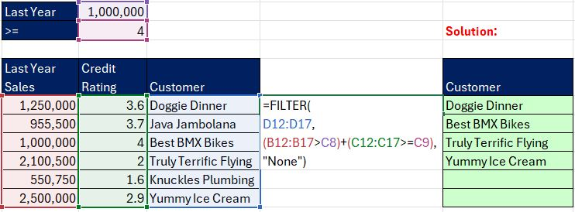  Excel Data Analysis:
FILTER Array Function

 |  |  | 
 | Excel Basics #10 Part 3: FILTER to the Rescue!

Len
60 | MS 365 Excel Basics 08: Introduction to Excel Data Analysis!

 |  | X

